1. Title Page
[Instacart Basket Analysis]

Project Name: Instacart Basket Analysis
Date: 23/02/2022
Analyst Name: Güldeniz Şensoy

Contents:
Population Flow
Consistency checks
Wrangling steps
Column derivations
Visualizations
Recommendations

2. Population Flow
Title page
Population flow
Exclusion flag
Condition: max_order < 5
Obervations to be removed: 1,440,295
Final total count of order_products_all: 30,964,564

Orders_products_all
Orders_products_merged
Orders_products_combined

Total: 32,404,859
Total: 32,404,859
Total: 32,434,489

3. Consistency checks
 |  |  |  | Title page
Consistency checks

Dataset | Missing values | Missing values treatment | Duplicates
orders | 206,209 missing values in days_since_last_order | Missing values were imputed with '0'. Since the values actually indicated that there was no prior order, the orders were the first orders. | No duplicates
products | there were 16 missing values in the product name column. | Missing values were inspected and a new subset were created without these values. | 5 duplicates were found. A new dataframe without duplicates was created
orders_products_prior | No missing values | - | No duplicates
customers | No missing values | - | No duplicates
orders_products_merged | No missing values | Prices over 100$ changed to NaN as these values did not reflect the real prices of products. Max price was set to 25$. | No duplicates

4. Wrangling steps
 |  |  |  | Title page
Wrangling steps

Columns dropped | Columns renamed | Columns' type changed | Comment/Reason
eval_set |  |  | Orders dataframe: Column not needed for analysis
 | orders_dow |  | Orders dataframe: changed into a more intuitive name: orders_day_of_week
_merge |  |  | orders_products_combined: no longer needed
 | First name: first_name |  | Customers: changed to be consistent with existing column names
 | Surnam:last_name |  | Customers: changed to be consistent with existing column names
 | Gender: gender |  | Customers: changed to be consistent with existing column names
 | Age: age |  | Customers: changed to be consistent with existing column names
 | STATE: state |  | Customers: changed to be consistent with existing column names
first_name |  |  | Customers: dropped due to data security reasons
last_name |  |  | Customers: dropped due to data security reasons
 |  | order_number, order_hour_of_day, orders_day_of_week, days_since_prior_order, department_id, max_order, order_regularity, age, dependant_number | orders_products_merged: All were changed into int8 to reduce datasize.
 |  | product_id | orders_products_merged: All were changed into int16 to reduce datasize.
 |  | product_name,price_range_loc, busiest_and_slowest_day, loyalty_flag, spending_flag, gender, state, family-status, | orders_products_all: All were changed into category to reduce datasize.
 |  | region, exclusion_flag | orders_products_merged: All were changed into category to reduce datasize.

5. Column derivations
 |  |  |  | Title page

Column derivations and aggregations

Dataset | New column | Column/s it was derived from | Conditions
orders_products_merge | price_range_loc | prices | If price under 5 then, 'low-range product', if between 5 and 15 then 'mid-range product, if over 15 then, 'high-range product
orders_products_merge | busiest_and_slowest_days | orders_day_of_week | If day of week is 0 & 1 = 'busiest days, if day of week is 3 & 4 = 'least busy', everything else = 'regularly busy'
orders_products_merge | busiest_period_of_day | order_hour_of_day | If hours between 9-17 = 'most orders', if hours are 7 & 8 & between 18-23 = 'average orders', if between 0-6 = 'fewest orders'
orders_products_merge | loyalty_flag | max_order | If max order over 40 = 'loyal customer', if max order between 10 & 40 = 'regular customer', if max order under 10 = 'new customer'
orders_products_merge | spending_flag | prices | If average spend equals to or is greater than 10 = 'high spender', if under 10 = 'low spender'
orders_products_merge | frequency_flag | days_since_last_order | If median order days above 20 = 'non-frequent customer', if median order days between 10 & 20 = 'regular customer', if 10 or less = 'frequent customer'
orders_products_all | region | state | States were categorised within a specific regions: 'South', 'West', 'Midwest', 'Northeast'
orders_products_all | exclusion_flag | max_order | If max order under 5 = 'low-activity customer', if max order is 5 or greater = 'frequent customer'
orders_products_all | age_group | age | If age between 18-24 = '18-24', if between 25-34 = '25-34', if between 35-44 = '35-44', if between 45-54 = '45-54', if between 55-64 = '55-64', if equals to 75 and above = '75+
orders_products_all | income_range | income | if "income" <= 25000 = '0-025000', if between 25000 and <= 50000 = '025000-050000', if between 50000 and 75000 = '050000-075000', if between 75000 and 100000 = '075000-100000', if between 100000 and 125000 = '100000-125000', ifbetween 125000 and 150000 = '125000-150000',if between 150000 and 175000 = '150000-175000', if between 200000 and 300000= '200000-300000', if between 300000 and 400000 = '300000-400000' if above 500000 = '500000+'
orders_products_all | income_groups | income | if income => between 75000 = 'low income', if between 75000 and 125000 = 'middle income', if between 125000 and 175000 = 'middle high income', if between 175000 and 300000 = 'high income', if more than 300000 = 'very high income'
orders_products_all | parental_status | n_dependants | If has 1 or more n_dependants = 'parent', if n_dependants is 0 = 'non-parent'
orders_products_all | customer_profile | , age_group,, income_groups, department_id, parental_status | Luxus' = age: 35-54, income_groups: high and very high income, department_id: 1, 4, 7, 16, 17, 19; 'Young single adult' = age: 18 - 34 , income_group: low and middle income, department_id: 1, 4, 7, 15, 16, 19, parental_status: Non-parent;'Single adult'= age between 35-54, income_groups= middle- middle high income, department_id: 1, 4, 5, 7, 16, 19, parental status=non-parent; 'Young parent' = age: 18-24, income_group:low and middle income, department_id: 1, 4, 7, 15, 16, 18, parental_status: Parent; 'Active parent' age between 35-64, income_groups= middle- middle high income, department_id: 1, 4, 7, 16, 18, 19, parental status=parent; 'Retired' = age: 60+, income: low-middle income, department_id: 1, 4, 7, 16, 17, 19
order_products_all | department popularity | departments | if departments = produce, dairy eggs, beverages, frozen, pantry, snacks=best selling dept; if dept= meats eafood, bakery, deli, canned goods, dry goods pasta, breakfast, household = good sellers; if dept = personal care, babies, international, alcohol, pets, bulk, other= worst selling dept.
orders_products_all | day_time | order_hour_of_day | if order hour of day is between 6-11 then Morning, if between 11-13 then Noon, if between 13 - 16 then 'afternoon', if between 16 - 22 then 'evening', else 'night'

6. Visualizations
 |  |  |  |  |  |  |  |  |  |  |  |  |  | Title page

Visualisations

1. The sales team needs to know what the busiest days of the week and hours of the day are (i.e., the days and times with the most orders) in order to schedule ads at times when there are fewer orders.

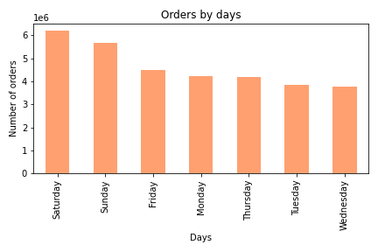
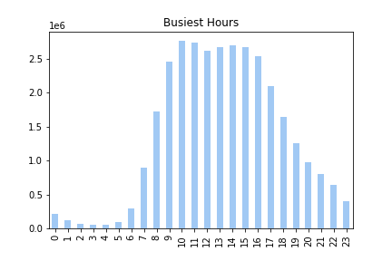

 |  |  |  |  |  | Figure 2 |  |  |  |  |  |  | Figure 2
 | Figure 1

 | Figure 1 and 2 show the distribution of orders by days and by hours.

 | The first figure demonstrates that the most orders are placed on Saturdays and Sundays. Weekends are the busiest days for Instacart, as customers shop mainly on weekends.

 | The second graph shows the busiest hours of day. As seen, during 8 am to 6 pm, Instacart receives themany of its order load. So, from morning and early evening hours, it is the most busy time for shopping.

2 - They also want to know whether there are particular times of the day when people spend the most money, as this might inform the type of products they advertise at these times.

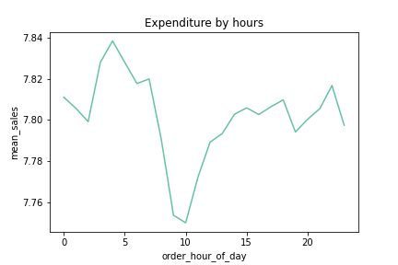

 |  |  |  |  |  | This line chart shows the mean expenditure by customers at each hour. The spent money on items dropped drastically around the time 10 am, whereas this amount is increased between 3 and 5 am. That means people spend less between 8 and 12 pm, and most between 3 am and 6 am.

 |  | Figure 3

3 - Instacart has a lot of products with different price tags. Marketing and sales want to use simpler price range groupings to help direct their efforts.


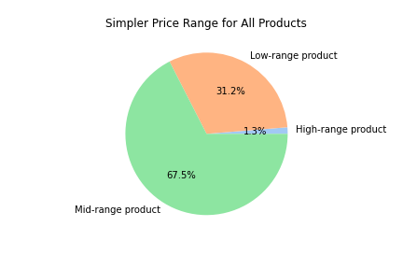

 |  |  |  |  |  |  |  |  |  | Figure 5
 |  |  |  |  |  |  |  |  |  |  |  |  |  |  |  | Figure 5
 |  | Figure 4

 | The prices at Instacart range from $1 to $25. the left graph shows the distribution of prices. On the right graph, there is the distribution of percentages of 3 labels for price ranges: Low range (under 5 $), mid range ( 5- 15 $) , high range (above 15 $) pricing.

4- Are there certain types of products that are more popular than others? (Which departments have the highest frequency of product orders?)

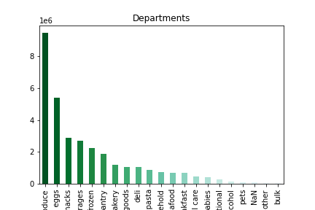
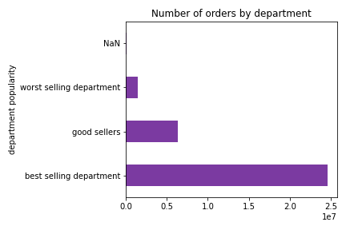
 |  |  |  |  |  |  |  |  |  | Department | percentage of all sales | Departmen popularity
 |  |  |  |  |  |  |  |  |  | Produce | 30.0 | Best selling
 |  |  |  |  |  |  |  |  |  | Diary eggs | 17.8 | Best selling
 |  |  |  |  |  |  |  |  |  | Snacks | 8.2 | Best selling
 |  |  |  |  |  |  |  |  |  | Beverages | 6.8 | Best selling
 |  |  |  |  |  |  |  |  |  | Frozen | 6.0 | Best selling
 |  |  |  |  |  |  |  |  |  | Pantry | 4.9 | Best selling
 |  |  |  |  |  |  |  |  |  | Bakery | 4.6 | Good sellers
 |  |  |  |  |  |  |  |  |  | Canned goods | 3.6 | Good sellers
 |  |  |  |  |  |  |  |  |  | Deli | 3.2 | Good sellers
 |  |  |  |  |  |  |  |  |  | Dry goods and pasta | 3.2 | Good sellers
 |  |  |  |  |  |  |  |  |  | Household | 2.5 | Good sellers
 |  |  |  |  |  |  |  |  |  | Meat seafood | 2.2 | Good sellers
 |  |  |  |  |  |  |  |  |  | Breakfast | 2.2 | Good sellers
 |  |  |  |  |  |  |  |  |  | Personal care | 1.4 | Worst sellers
 |  |  |  |  |  |  |  |  |  | Babies | 1.3 | Worst sellers
 |  |  |  |  |  |  |  |  |  | International | 0.8 | Worst sellers
 |  |  |  |  |  |  |  |  |  | Alcohol | 0.5 | Worst sellers
 |  |  |  |  |  |  |  |  |  | Pets | 0.3 | Worst sellers
 |  |  |  |  |  |  |  |  |  | Other | 0.2 | Worst sellers
 |  |  |  |  |  | Figure 7 |  |  |  | Bulk | 0.1 | Worst sellers
 |  | Figure 6
 |  |  |  |  |  |  |  |  |  | Table 1

As figure 6 shows, the department which has the highest frequency of orders is by far the 'produce' department. It is followed by 'diary eggs'. 'Snacks', Beverages', 'Frozen' and 'Pantry' are the following departments in popularity. 'Bulk', 'other' and 'pets' are the least popular departments in Instacart. Figure 7 demonstrates the version in which these best, good and worst selling departments are grouped together.

5. The marketing and sales teams are particularly interested in the different types of customers in their system and how their ordering behaviors differ.

5.a What’s the distribution among users in regards to their brand loyalty (i.e., how often do they return to Instacart)?

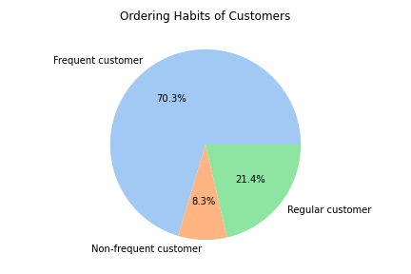

 |  |  |  |  |  | On the left graph, we see the loyalty of all customers to Instacart in perccentage. Almost 70% of customers are regular customers, meaning that they return to Instacart max in each 10 days. They frequently buy from Instacart. There are more than 20 days in between each shopping from Instacart for non-frequent customers.

 |  |  | Figure 8

5b. Are there differences in ordering habits based on a customer’s loyalty status?

 | Another loyalty status we have is for customers:

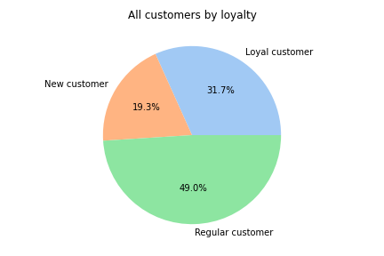

 |  |  |  |  |  | As seen from the graph, almost 50% of total customers are regular customers. That means the order numbers higher than 10 and lower or equal to 40. Loyal customers are alos quite numerous who orders more than 40 orders at maximum. New customer group consists customers who placed at max 10 orders.

Figure 9

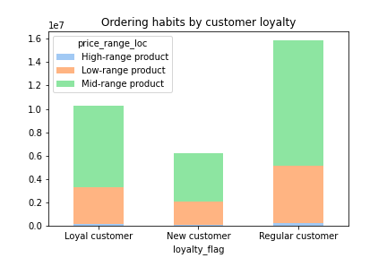

 |  | Figure 10 displays the ordering habits by customer loyalty. That is, how customers grouped by loyalty flag (as loyal, regular and new) buy which products (high range, mid rangeorlow range) the most. As seen from the Table 2, there are not very much change in ordering habits when it comes to customer loyalty.

 |  |  |  |  |  |  |  |  |  |  |  |  | Figure 10

 |  |  |  |  |  |  |  |  |  |  |  |  |  |  | Figure 10

 |  |  |  |  |  |  |  |  |  |  |  |  | Figure 11

 | Loyalty Flag | High-range product | Low-range product | Mid-range product
 | Loyal customer | 1.17% | 31.26% | 67.57%
 | New customer | 1.37% | 31.25% | 67.37% |  | Figure 10
 | Regular customer | 1.34% | 31.23% | 67.43%
 | Table 2

5c. Are there differences in ordering habits based on a customer’s region?

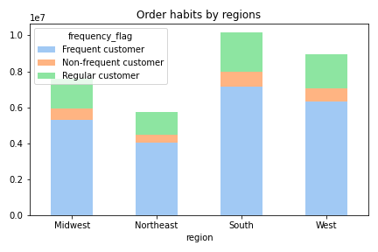

 |  |  |  |  | Region | Frequent customer | Non-frequent customer | Regular customer
 |  |  |  |  | Midwest | 23% | 24% | 24%
 |  |  |  |  | Northeast | 18% | 17% | 18%
 |  |  |  |  | South | 31% | 31% | 31%
 |  |  |  |  | West | 28% | 27% | 27% | Table 3

 |  |  |  |  | Frequency_flag | Midwest | Northeast | South | West
 |  |  |  |  | Frequent | 69.8% | 70.3% | 70.5% | 70.6%
 |  |  |  |  | Non- frequent | 8.4% | 8.2% | 8.3% | 8.2%
 |  |  |  |  | Regular | 21.7% | 21.5% | 21.5% | 21.2%
 |  |  |  |  | Table 4

 |  |  |  |  | When we look at the figures, it can be seen that South is where in which there are most customers. Accordingly most of the frequent, regular and non-frequent customers are from that region. The least populous region is Northeast, accordingly, least of the customers from each ordering habit groups are based there. However, the percentages of frequent, non-frequent and regular customers across regions are almost the same.

Figure 11

5d. Is there a connection between age and family status in terms of ordering habits?

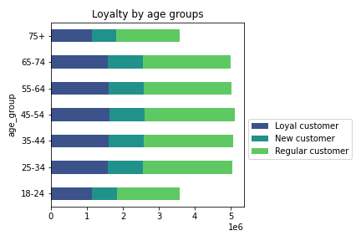
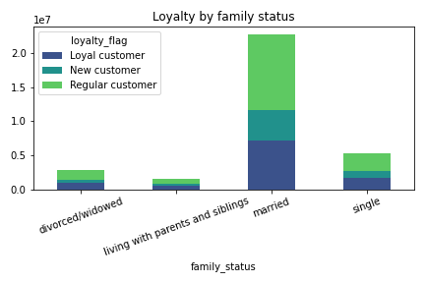

 |  |  |  |  |  |  |  |  | Figure 13
 | Figure 12

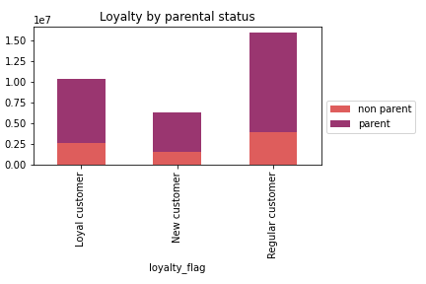
 |  | Figure 12 shows that most of the customers are between ages of 25 and 65, whose ordering habits are more or less the same. On figure13,we can observe that most of the customers are married whereas least of the customers are living with parents and siblings. In married customer cluster, most of the customers are regular, then come loyal customers and then new ones. This means that orders are the same for all family status, as well as for all age groups. Although numbers change, the rates are almost always the same. Figure 14 also shows that, in each customer loyalty group, most of the customers are parents.

 |  |  |  |  |  |  | Figure 14

5e. What different classifications does the demographic information suggest? Age? Income? Certain types of goods? Family status?

Customer profiles are created by considering certain demographic informations such as age, incoma range, departments for shopping. In total, there are 7 customer profiles: young single adult, single adult, young parent, active parent, retired, luxus, and the rest is other.

Customer profile | Age | Income group | Department ID | Parental status
Young single adult | 18-34 | low and middle | 1, 4, 7, 15, 16, 19 | Non-parent |  | Table 5 shows the demographic characteristics of customer profiles. The figures 15 and 16 display the distribution of customer profiles. Most of the customer are in the 'other' profile. For better explanation of this group further analysis is required. After the other category, the most prominent profiles are 'young parent', 'retired', and 'active parent'. In 'luxus' profile, there are the least customers.
Single adult | 35 - 54 | middle and middle high | 1, 4, 5, 7, 16, 19 | Non-parent
Young parent | 18 - 34 | low and middle | 1, 4, 7, 15, 16, 18 | Parent
Active parent | 35 -54 | middle and middle high | 1, 4, 7, 16, 18, 19 | Parent
Retired | 65 and older | low and middle | 1, 4, 7, 16, 17, 19 | -
Luxus | 35 -54 | high and very high | 1, 4, 7, 16, 17, 19 | -
Other | - | - | - | -
Table 5

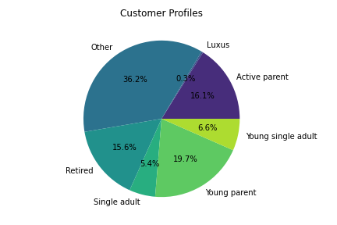
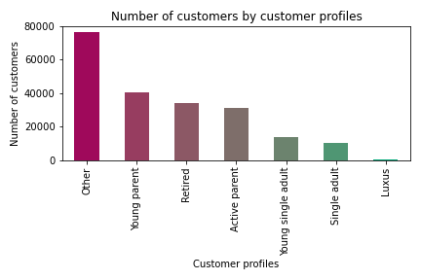
 |  |  |  |  |  |  | Figure 16

Figure 15

5f. What differences can you find in ordering habits of different customer profiles? Consider the price of orders, the frequency of orders, the products customers are ordering, and anything else you can think of.

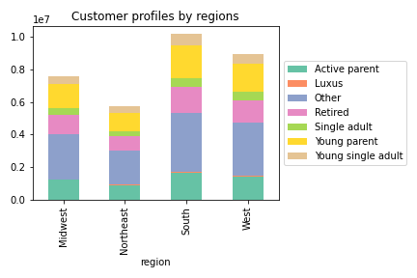
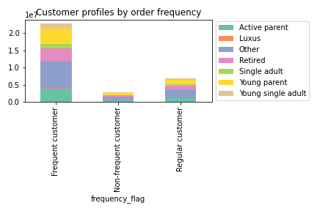

 |  |  |  |  |  |  |  | Figure 18
Figure 17

Figure 17 displays the distribution of customer profiles across regions. We can easily observe that the 'other' profile is the most populous, hile the luxus is the least across all regions. Next graph shows distribution of customer profiles according to order frequency. In each frequency group, agaian the category 'other' leads. Other profile is followed by young parents and active parents. that reminds us that most of our customers are parents.

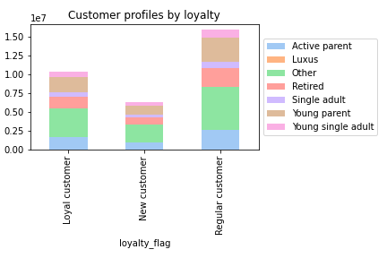
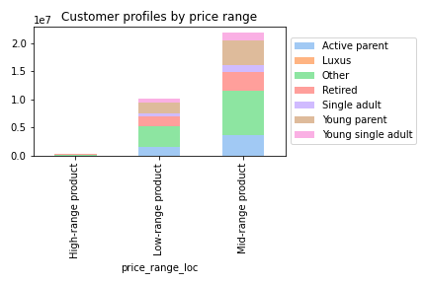

 |  |  | Figure 19 |  |  |  |  | Figure 20

On the figure 19 we observe the distribution of customer profiles by customer loyalty. As seen before, most of of the customers are regular customers in Instacart. In all loyalty levels, the profile 'other' is the one with more frequencies, and the 'luxus' is with the least. Figure 20 displays the how different customer profiles shop. Most of the customers buy mid-range products among all prices. In mid- and low-range products the customer profile order is ss follows: Other, Young parent, Active parent, Retired,Young single adult, Single adult, luxus.

SPENDING HABITS
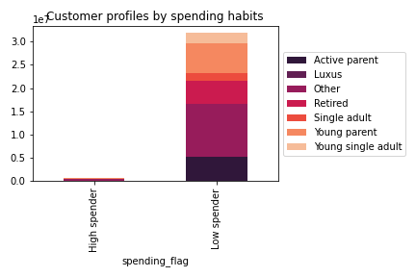

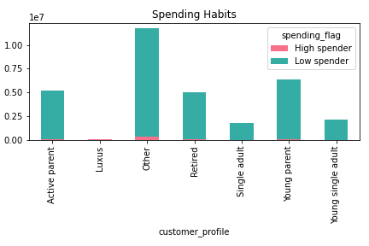

Figure 21

 |  |  |  |  |  |  |  |  | Figure 22

when we observe the figures above, we see that there are more low spender than high spender in Instacart's customer profiles. Table 6 and Figure 22, show in more detail which profile has more high spenders. Unsurprisingly, Other profile has more low and high spender than other profiles. Here we can also obser ve that luxus category makes up the 17% of all high spendings by itself. |  |  |  |  |  | customer_profile | High spender | Low spender
 |  |  |  |  |  | Other | 53% | 36%
 |  |  |  |  |  | Luxus | 17% | 0%
 |  |  |  |  |  | Active parent | 12% | 16%
 |  |  |  |  |  | Young parent | 8% | 20%
 |  |  |  |  |  | Retired | 5% | 16%
 |  |  |  |  |  | Single adult | 4% | 5%
 |  |  |  |  |  | Young single adult | 2% | 7% | Table 6

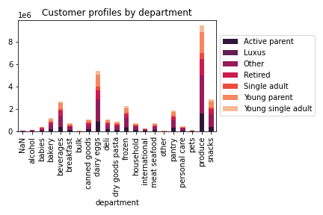
Customer Profiles & Departments

 |  |  |  |  |  | Lastly, at figure 23, we can observe the distribution of customer profiles in each product department. As we cleared before, Produce is the most selling and most ordered department in Instacart. Our customer profiles, after produce, buy from dairy eggs, beverages, snacks, frozen and pantry. So most of our customers buy from produce department. After other, the order is the same: Young parent, Active parent, retired. Luxus profile as always the last.

Figure 23

7. Recommendations
 |  |  |  |  |  |  |  |  |  |  | Title page

Visualisations

1. The sales team needs to know what the busiest days of the week and hours of the day are (i.e., the days and times with the most orders) in order to schedule ads at times when there are fewer orders.

Figure 1
 |  |  |  |  |  |  | Figure 2 |  |  | Figure 2

 |  | RECOMMENDATIONS:

 |  | Most of Instacart orders are made in weekends and during morning to early evening. In order to increase the order numbers in those times, Instacart should create a targeted advertisements specific for those days and specific hours. Moreover, a sales campaing can be organised to increade orders. For example, Wednesday is the day with least orders. On wednesdays , between 7 and 9 pm, there can be sale on the most selling products.

2 - They also want to know whether there are particular times of the day when people spend the most money, as this might inform the type of products they advertise at these times.

 |  |  |  |  | This line chart shows the mean expenditure by customers at each hour. The spent money on items dropped drastically around the time 10 am, whereas this amount is increased between 3 and 5 am. That means people spend less between 8 and 12 pm, and most between 3 am and 6 am.

 |  |  |  |  | RECOMMENDATIONS:

 |  |  |  |  | Particulary focusing on the hours between 9 - 11 am by pushing advertising about healthy lunch options or quality snacks and beverages may help increasing the expenditure in this time span.

 |  | Figure 3

3 - Instacart has a lot of products with different price tags. Marketing and sales want to use simpler price range groupings to help direct their efforts.

 |  |  |  |  |  |  | Figure 5
 |  |  |  |  |  |  |  |  |  |  |  | Figure 5
 | Figure 4

 | The prices at Instacart range from $1 to $25. the left graph shows the distribution of prices. On the right graph, there is the distribution of percentages of 3 labels for price ranges: Low range (under 5 $), mid range ( 5- 15 $) , high range (above 15 $) pricing.

 | RECOMMENDATION
 | Since high range products are bought the least, having limited items in this price is logical for Instacart. However, a more detailed analysis is needed in order to find out which specific items within the high-range products sell the most. So that, Instacart can focus on these products more. Finding out these items might help advertising to direct specific customer groups to these items. With ads for certain customers, average enpenditure per customer can also be increased.

4- Are there certain types of products that are more popular than others? (Which departments have the highest frequency of product orders?)

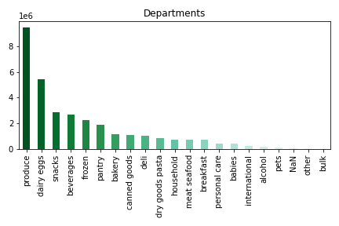
 |  |  |  |  | Department | percentage of all sales | Departmen popularity
 |  |  |  |  | Produce | 30.0 | Best selling
 |  |  |  |  | Diary eggs | 17.8 | Best selling
 |  |  |  |  | Snacks | 8.2 | Best selling
 |  |  |  |  | Beverages | 6.8 | Best selling
 |  |  |  |  | Frozen | 6.0 | Best selling
 |  |  |  |  | Pantry | 4.9 | Best selling
 |  |  |  |  | Bakery | 4.6 | Good sellers
 |  |  |  |  | Canned goods | 3.6 | Good sellers
 |  |  |  |  | Deli | 3.2 | Good sellers
 |  |  |  |  | Dry goods and pasta | 3.2 | Good sellers
 |  |  |  |  | Household | 2.5 | Good sellers
 |  |  |  |  | Meat seafood | 2.2 | Good sellers
 |  |  |  |  | Breakfast | 2.2 | Good sellers
 |  |  |  |  | Personal care | 1.4 | Worst sellers
 |  |  |  |  | Babies | 1.3 | Worst sellers
Figure 6 |  |  |  |  | International | 0.8 | Worst sellers
 |  |  |  |  | Alcohol | 0.5 | Worst sellers
 |  |  |  |  | Pets | 0.3 | Worst sellers
 |  |  |  |  | Other | 0.2 | Worst sellers
 |  |  |  |  | Bulk | 0.1 | Worst sellers
 |  |  |  |  | Table 1

 |  |  |  |  | As figure 6 shows, the department which has the highest frequency of orders is by far the 'produce' department. It is followed by 'diary eggs'. 'Snacks', Beverages', 'Frozen' and 'Pantry' are the following departments in popularity. 'Bulk', 'other' and 'pets' are the least popular departments in Instacart. Figure 7 demonstrates the version in which these best, good and worst selling departments are grouped together.

Figure 7

RECOMMENDATION
Instacart can try to increase the sale in the worst performing departments: personal care, babies, international, alcohol, pets, other and bulk. For each department, diffferent strategies should be put in motion. BULK => For example for bulk department, focus should be on families. when entering the Instacart shopping app or website, bulk products can be advertised emphasizing that people can save money. ALCOHOL=> Alcohol department can only make sale to adults over 21 years old. Therefore, the campaigns should also consider that. Targetting family and friends gatherings, sale in certain beer and wine brands each week can increase the numbers. INTERNATIONAL => In order to increase the products in international, once a moth, sales campaign of international products (like, Greek Week/ Oriental Week) can be organized. BABIES=> For the babies department, the advertisement can focus on how healthy and beautiful the products are, should be shown only to parents and older customers, considering their grandchildren.

5. The marketing and sales teams are particularly interested in the different types of customers in their system and how their ordering behaviors differ.

5.a What’s the distribution among users in regards to their brand loyalty (i.e., how often do they return to Instacart)?

 |  |  |  |  | On the left graph, we see the loyalty of all customers to Instacart in perccentage. Almost 70% of customers are regular customers, meaning that they return to Instacart max in each 10 days. They frequently buy from Instacart. There are more than 20 days in between each shopping from Instacart for non-frequent customers.

 |  |  |  |  | RECOMMENDATION
 |  |  |  |  | Instacart have many frequent customers, which is a very good sign. In order to increase the number of regular customers while decresing the number of non-frequent customers, Instacart needs to create motivations for customers to return to shopping. This can be achieved by rewarding the customers who return to Instacart frequently. Coupons, limited for a week, can encourage customers to come and shop in Instacart again. for non-frequent customers, personalized emails - such as : 'we missed you! and thought you might like this' - together with a coupon or %10 or %20 sale might be helpful.

 |  |  | Figure 8

5b. Are there differences in ordering habits based on a customer’s loyalty status?

 | Another loyalty status we have is for customers:

 |  |  |  |  | As seen from the graph, almost 50% of total customers are regular customers. That means the order numbers higher than 10 and lower or equal to 40. Loyal customers are alos quite numerous who orders more than 40 orders at maximum. New customer group consists customers who placed at max 10 orders.

Figure 9

 | Figure 10 displays the ordering habits by customer loyalty. That is, how customers grouped by loyalty flag (as loyal, regular and new) buy which products (high range, mid rangeorlow range) the most. As seen from the Table 2, there are not very much change in ordering habits when it comes to customer loyalty.

 |  |  |  |  |  |  |  |  |  | Figure 10

 |  |  |  |  |  |  |  |  |  | Figure 11
 | Loyalty Flag | High-range product | Low-range product | Mid-range product
 | Loyal customer | 1.17% | 31.26% | 67.57%
 | New customer | 1.37% | 31.25% | 67.37%
 | Regular customer | 1.34% | 31.23% | 67.43% |  |  |  |  | Figure 10

 | Table 2

 | RECOMMENDATION
 | Instacart's customer loyalty consists of 3 groups: new, regular and loyal. Among them, most of the customers are grouped as regular. There are not almost any differences among these clusters considering the spending habits. From each (high, mid and low range) products all loyalty groups buy the same ratio. Therefore, Instacart needs to focus on increasing all customers' motivation to buy more high range product. This can be achieved by good advertisements of high range products. Personalized and targeted marketing campaigns could work in general to increase the sales.

5c. Are there differences in ordering habits based on a customer’s region?

 |  |  |  |  | Region | Frequent customer | Non-frequent customer | Regular customer
 |  |  |  |  | Midwest | 23% | 24% | 24%
 |  |  |  |  | Northeast | 18% | 17% | 18%
 |  |  |  |  | South | 31% | 31% | 31%
 |  |  |  |  | West | 28% | 27% | 27%
 |  |  |  |  | Table 3

 |  |  |  |  | Frequency_flag | Midwest | Northeast | South | West
 |  |  |  |  | Frequent | 69.8% | 70.3% | 70.5% | 70.6%
 |  |  |  |  | Non- frequent | 8.4% | 8.2% | 8.3% | 8.2%
 |  |  |  |  | Regular | 21.7% | 21.5% | 21.5% | 21.2%
 |  |  |  |  | Table 4

 |  |  |  |  | When we look at the figures, it can be seen that South is where in which there are most customers. Accordingly most of the frequent, regular and non-frequent customers are from that region. The least populous region is Northeast, accordingly, least of the customers from each ordering habit groups are based there. However, the percentages of frequent, non-frequent and regular customers across regions are almost the same. So, there are no significant difference in ordering habits of customers by region.

Figure 11

 | RECOMMENDATION
 | There is no visible difference in ordering habits depending on regions. Ordering rates of frequent, regular and non-frequent customers are the same across regions. However, most of the orders come from the South, whereas least orders come from Northeast. Therefore, Instacart should direct its focus on the regions where the brand visibility is low, especially on Northeast. Midwest and West, already have good numbers, however, increasing the visibility of Instacart also in those regions may help to gain more customers in total.

5d. Is there a connection between age and family status in terms of ordering habits?

Figure 12 |  |  |  |  | Figure 13

 | Figure 12 shows that most of the customers are between ages of 25 and 65, whose ordering habits are more or less the same. On figure13,we can observe that most of the customers are married whereas least of the customers are living with parents and siblings. In married customer cluster, most of the customers are regular, then come loyal customers and then new ones. This means that orders are the same for all family status, as well as for all age groups. Although numbers change, the rates are almost always the same. Figure 14 also shows that, in each customer loyalty group, most of the customers are parents.

 |  |  |  |  |  |  |  | Figure 14
 | RECOMMENDATION
 | Checking all the ratios, there are no significant difference among the ordering habits based on age and family status. We still to observe that maried customers and parents make up for the majority of the orders. Knowing this, to keep parents and married couples as loyal customers, items suitale for families can get regular sales. Additionally since the both most young and most oldest age groups account for the least orders, products that are sold mainly to those age groups can also get sales in order to include this age groups more. Campaigns targeted single/non-parent customers should also be carried out in order to increase their shopping from Instacart.

5e. What different classifications does the demographic information suggest? Age? Income? Certain types of goods? Family status?

Customer profiles are created by considering certain demographic informations such as age, incoma range, departments for shopping. In total, there are 7 customer profiles: young single adult, single adult, young parent, active parent, retired, luxus, and the rest is other.

Customer profile | Age | Income group | Department ID | Parental status
Young single adult | 18-34 | low and middle | 1, 4, 7, 15, 16, 19 | Non-parent |  | Table 5 shows the demographic characteristics of customer profiles. The figures 15 and 16 display the distribution of customer profiles. Most of the customer are in the 'other' profile. For better explanation of this group further analysis is required. After the other category, the most prominent profiles are 'young parent', 'retired', and 'active parent'. In 'luxus' profile, there are the least customers.
Single adult | 35 - 54 | middle and middle high | 1, 4, 5, 7, 16, 19 | Non-parent
Young parent | 18 - 34 | low and middle | 1, 4, 7, 15, 16, 18 | Parent
Active parent | 35 -54 | middle and middle high | 1, 4, 7, 16, 18, 19 | Parent
Retired | 65 and older | low and middle | 1, 4, 7, 16, 17, 19 | -
Luxus | 35 -54 | high and very high | 1, 4, 7, 16, 17, 19 | -
Other | - | - | - | -
Table 5

 |  |  |  |  |  |  |  | Figure 16

 | Figure 15

 | RECOMMENDATION
 | Customer profiles calls for action from marketing department to receive personalized advertisements to increase the sale numbers for each profile. It is important to make the advertisements as specific as possible to each profile.

5f. What differences can you find in ordering habits of different customer profiles? Consider the price of orders, the frequency of orders, the products customers are ordering, and anything else you can think of.

 |  |  |  |  |  |  |  | Figure 18
Figure 17

Figure 17 displays the distribution of customer profiles across regions. We can easily observe that the 'other' profile is the most populous, while the luxus is the least across all regions. Next graph shows distribution of customer profiles according to order frequency. In each frequency group, agian the category 'other' leads. Other profile is followed by young parents and active parents. that reminds us that most of our customers are parents.

 |  |  | Figure 19 |  |  |  |  | Figure 20

On the figure 19 we observe the distribution of customer profiles by customer loyalty. As seen before, most of of the customers are regular customers in Instacart. In all loyalty levels, the profile 'other' is the one with more frequencies, and the 'luxus' is with the least. Figure 20 displays the how different customer profiles shop. Most of the customers buy mid-range products among all prices. In mid- and low-range products the customer profile order is ss follows: Other, Young parent, Active parent, Retired,Young single adult, Single adult, luxus.

SPENDING HABITS

Figure 21

 |  |  |  |  | Figure 22

When we observe the figures above, we see that there are more low spender than high spender in Instacart's customer profiles. Table 6 and Figure 22, show in more detail which profile has more high spenders. Unsurprisingly, Other profile has more low and high spender than other profiles. Here we can also obser ve that luxus category makes up the 17% of all high spendings by itself. |  |  |  |  |  | customer_profile | High spender | Low spender
 |  |  |  |  |  | Other | 53% | 36%
 |  |  |  |  |  | Luxus | 17% | 0%
 |  |  |  |  |  | Active parent | 12% | 16%
 |  |  |  |  |  | Young parent | 8% | 20%
 |  |  |  |  |  | Retired | 5% | 16%
 |  |  |  |  |  | Single adult | 4% | 5%
 |  |  |  |  |  | Young single adult | 2% | 7%
 |  |  |  |  |  | Table 6
Customer Profiles & Departments

 |  |  |  |  | Lastly, at figure 23, we can observe the distribution of customer profiles in each product department. As we cleared before, Produce is the most selling and most ordered department in Instacart. Our customer profiles, after produce, buy from dairy eggs, beverages, snacks, frozen and pantry. So most of our customers buy from produce department. After other, the order is the same: Young parent, Active parent, retired. Luxus profile as always the last.

Figure 23

 | RECOMMENDATIONS

 | I would like to emphasize that all the previous recommendations, considering, regions, age groups, departments and loyalty degrees, hold so far, also for the customer profiles. On the top of them, an important last recommendation is to focus more on the high_range products for luxus customer profile, since they are in the group of high-spenders.

